Product Update
SKU | Title | Action Date | Additional Notes | Old Design | New Design
P080708 | Personalised Rustic Message Glass Clock | 02.10.23 | 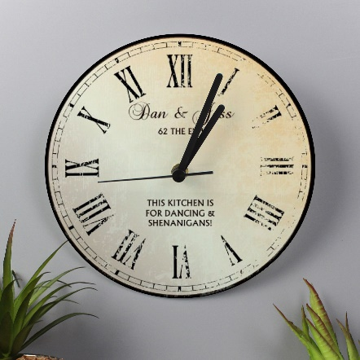 Stock Update - Moving from glass to wood, along with a design update. |  | 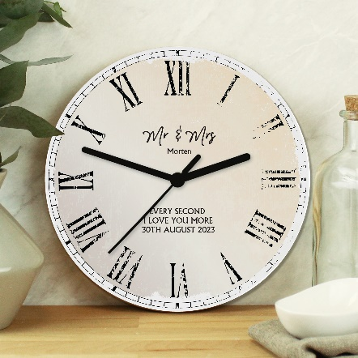
P080780 | Personalised Solar Space System Glass Clock | 02.10.23 | 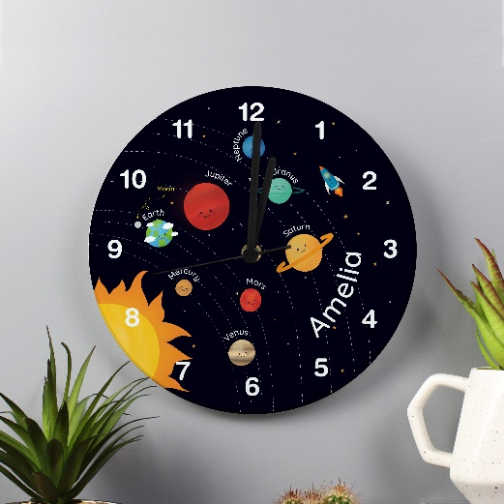 Stock Update - Moving from glass to wood, along with a design update. |  | 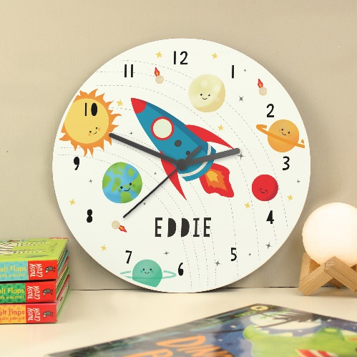

P0104L54 | Personalised Swirls & Hearts Red Rose Bud Ornament | 29.09.23 | Back In Stock
P0104L55 | Personalised Together Forever Red Rose Bud Ornament | 29.09.23 | Back In Stock

P080478 | Personalised Dinosaur Pencil Tin with Pencil Crayons | 02.10.23 | Discontinued
P080480 | Personalised Army Camo Pencil Tin with Pencil Crayons | 02.10.23 | Discontinued
P080483 | Personalised Unicorn Pencil Tin with Pencil Crayons | 02.10.23 | Discontinued
P080799 | Personalised Family Glass Clock | 02.10.23 | Discontinued

P012301 | Personalised Slate Clock | 29.09.23 | Brand New Product
P1011G85 | Personalised Memorial Photo Upload Wooden Love Ornament | 29.09.23 | Brand New Product
P1011G87 | Personalised Me To You Moon and Back Wooden Love Ornament | 29.09.23 | Brand New Product

